Analysis
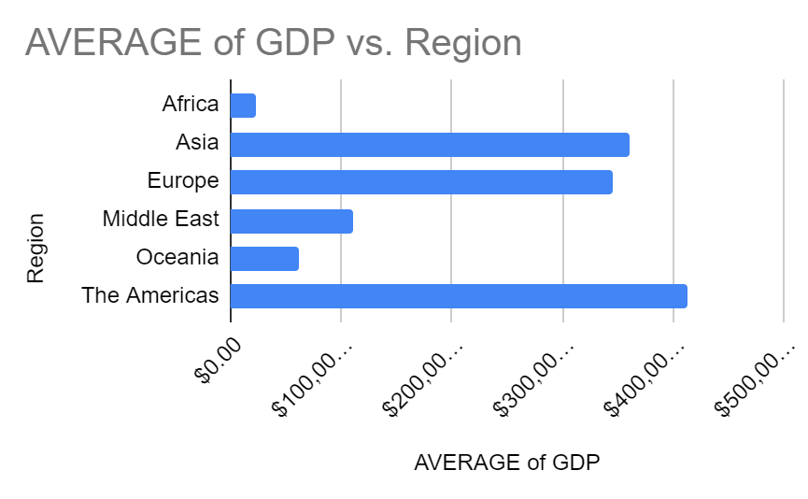
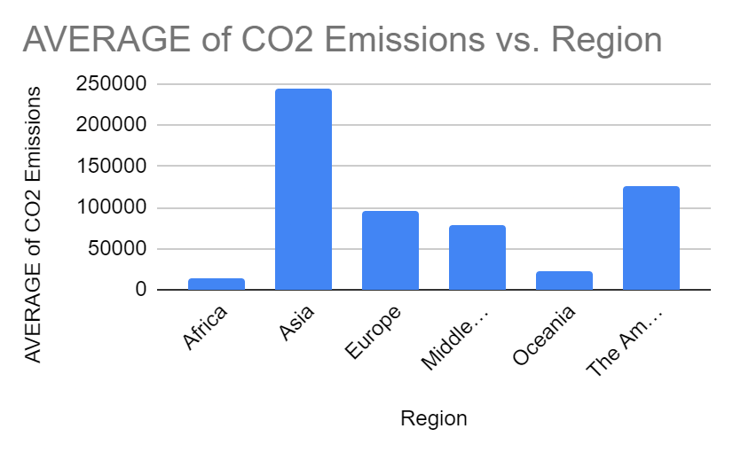
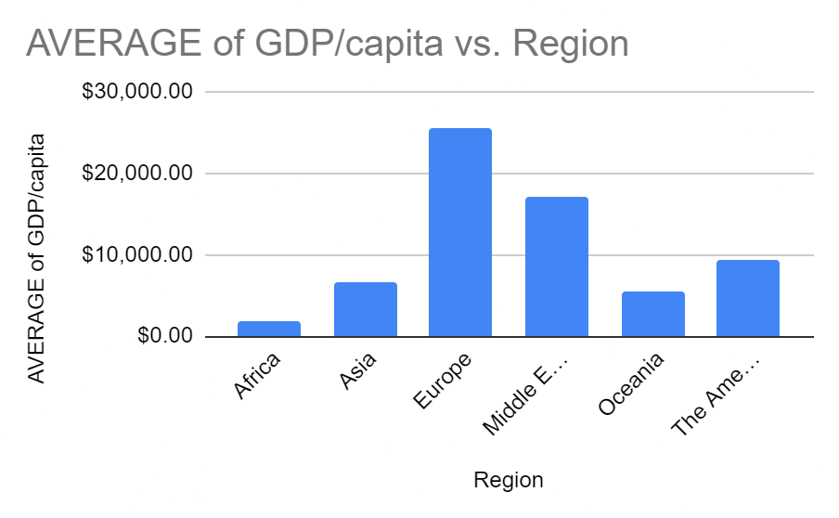
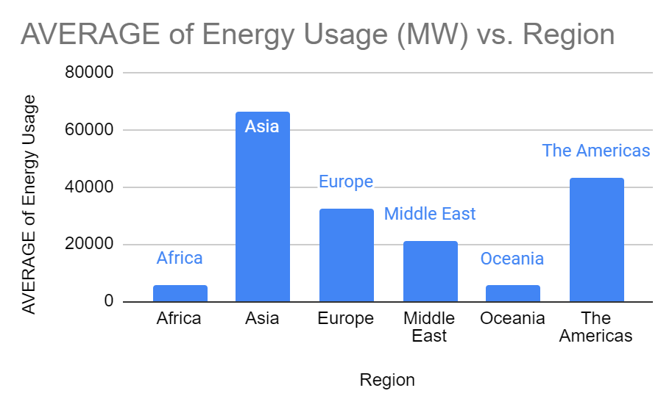
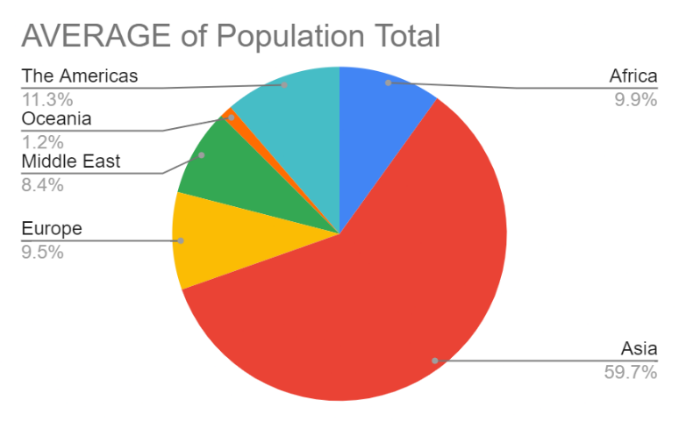
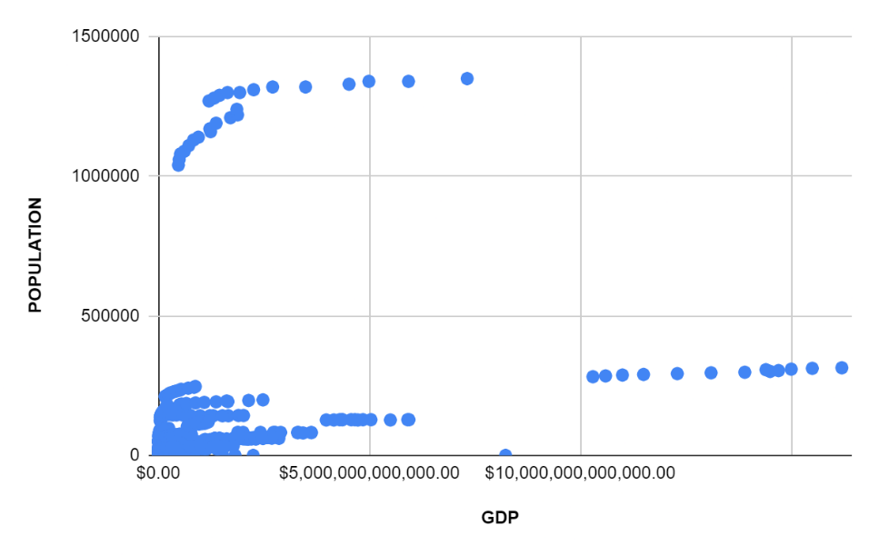
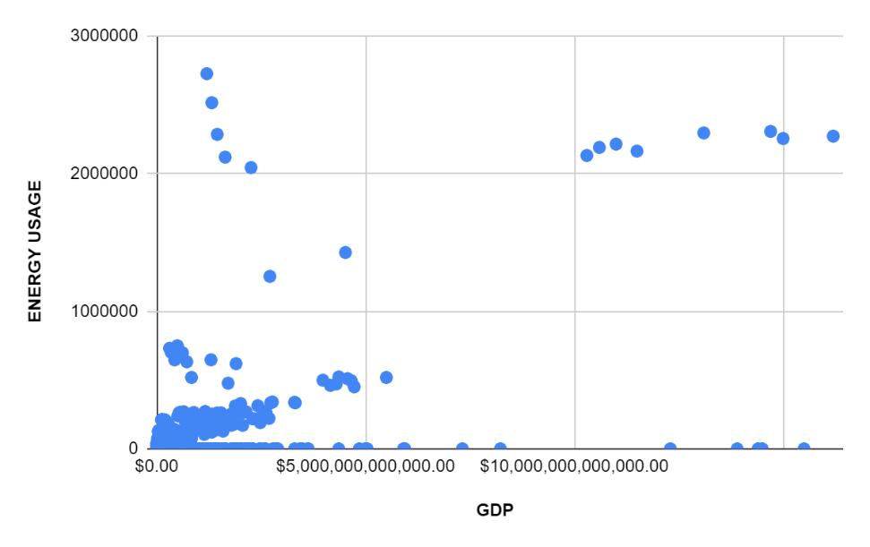
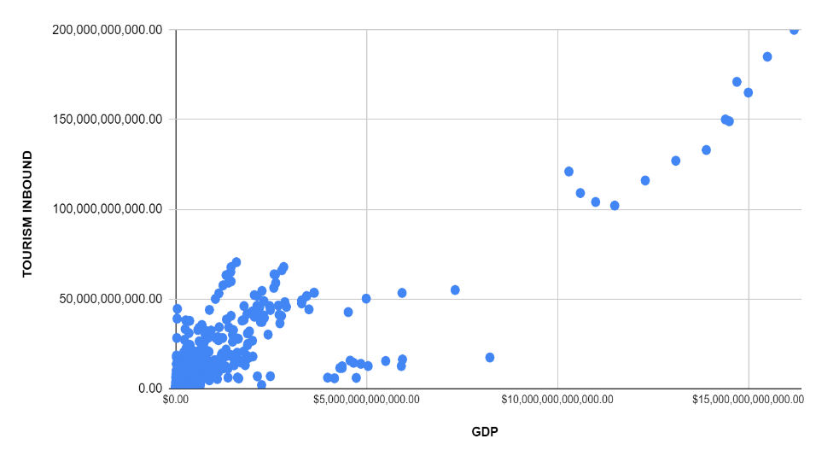
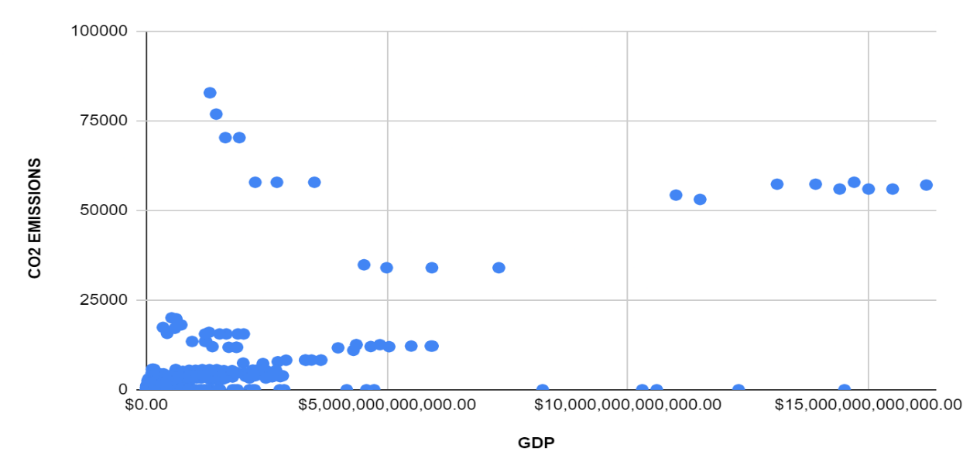
Region | AVERAGE of GDP | AVERAGE of Population Total | AVERAGE of GDP/capita | AVERAGE of Energy Usage (MW) | AVERAGE of CO2 Emissions | AVERAGE of Tourism Inbound
Africa | $23,302,954,883.58 | 17469141.67 | $1,795.49 | 5810.323657 | 13857.66618 | 664,097,097.24
Asia | $360,720,369,027.16 | 104984170.4 | $6,642.51 | 66412.17873 | 244548.9389 | 4,751,152,488.69
Europe | $345,180,690,163.16 | 16636173.34 | $25,488.95 | 32314.73558 | 95004.56571 | 8,768,899,038.46
Middle East | $110,653,042,489.77 | 14848398.2 | $16,978.38 | 21138.42012 | 77595.78698 | 2,255,272,189.35
Oceania | $62,657,445,766.41 | 2166782.41 | $5,384.04 | 5459.846154 | 22348.52308 | 1,936,527,179.49
The Americas | $413,004,047,861.09 | 19882266.42 | $9,250.20 | 43281.76573 | 124892.8811 | 4,786,473,776.22
Grand Total | $244,535,032,020.95 | 30889919.12 | $10,883.88 | 30812.3835 | 98785.50353 | 4,283,163,173.54

